blank
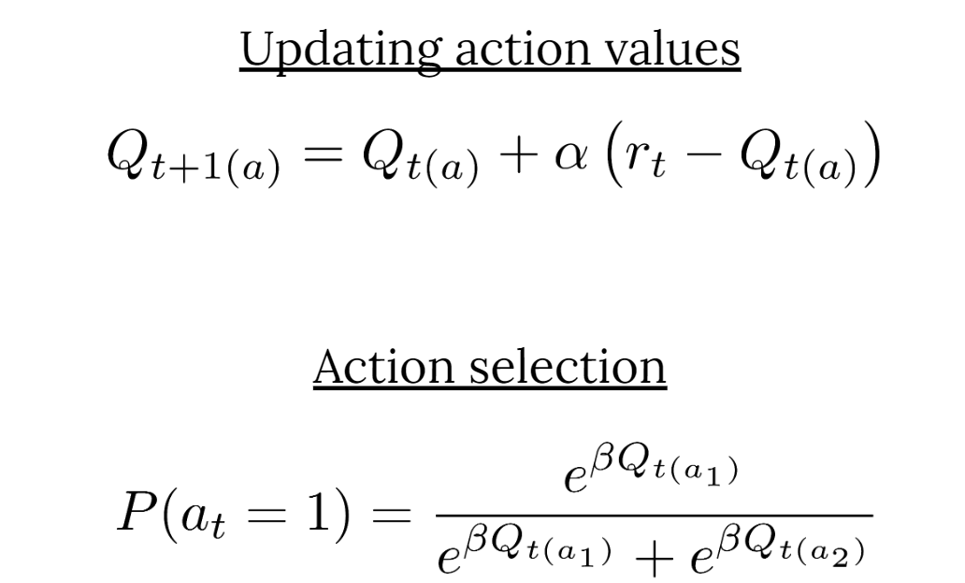
 | Model |  |  |  |  | Behavior |  | Enviorment
Trial | Qval_1 | Qval_2 | Prob action 1 | Prob action 2 | Prob_choice | Choice | Reward | Expected Value 1 | Expected Value 2
1 |  |  |  |  |  | 1 | 1 | 0.84 | 0.30
2 |  |  |  |  |  | 1 | 0 | 0.83 | 0.34
3 |  |  |  |  |  | 2 | 0 | 0.82 | 0.31
4 |  |  |  |  |  | 1 | 1 | 0.81 | 0.29
5 |  |  |  |  |  | 1 | 0 | 0.80 | 0.35
6 |  |  |  |  |  | 2 | 0 | 0.79 | 0.37
7 |  |  |  |  |  | 1 | 1 | 0.76 | 0.44
8 |  |  |  |  |  | 2 | 0 | 0.77 | 0.46
9 |  |  |  |  |  | 1 | 1 | 0.74 | 0.42
10 |  |  |  |  |  | 1 | 1 | 0.61 | 0.40

Parameters
alpha | 0.5
beta | 5
Likelihood

